READ_ME
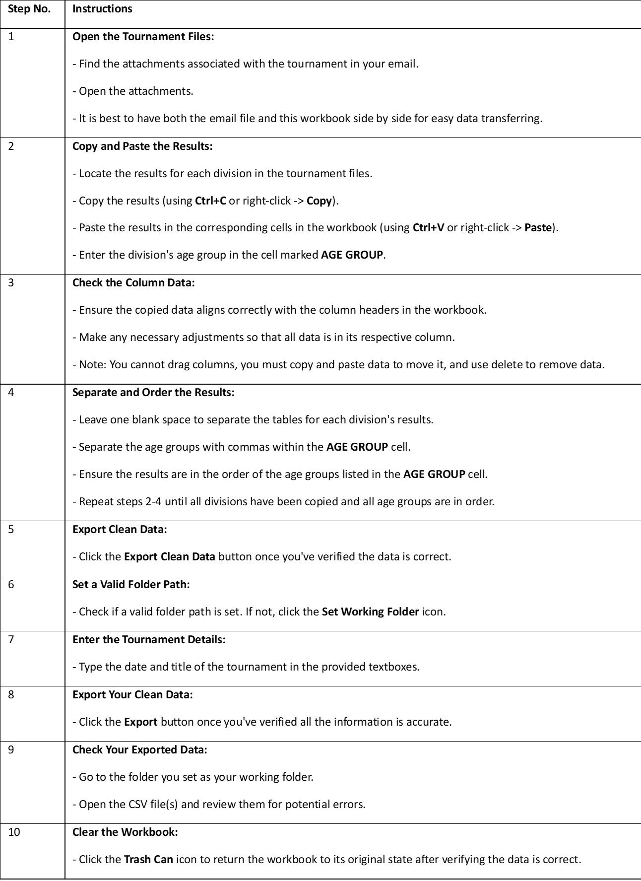
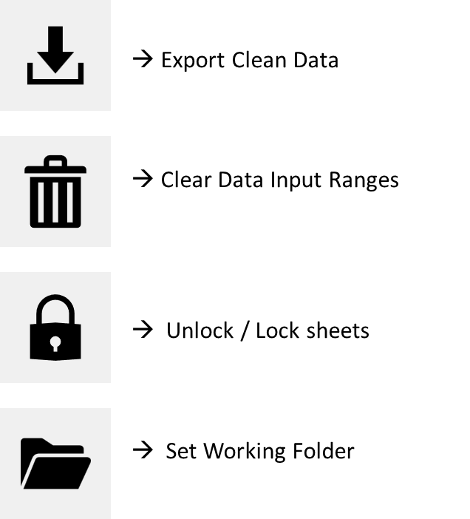


Workbook Created By Patrick Cataldo, 2023 Summer Intern at JGS
Limitations and expectations:
This Workbook is designed to take messy data from excel files emailed to staff and clean it so it can be uploaded to the JGS Admin site.
This Workbook is designed to only do one tournament at a time.
This Workbook cannot be edited in cells other than input cells located in the MAIN sheet, all other sheets are password protected.
This Workbook cannot "magically" transform the data into something its not, data must already be organized based on the column names.
This Workbook WILL NOT do your job for you, it will only save minutes at a time, maybe more depending on the size and quality of spreadsheet.

STEPS:

MAIN
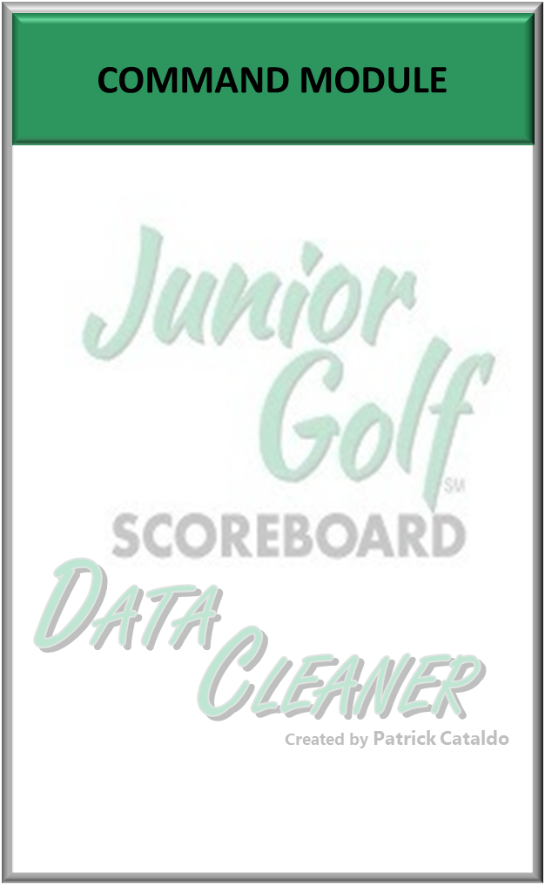
PASTE RAW DATA HERE |  |  |  |  |  |  |  |  |  |  | AGE GROUPS HERE

 |  |  |  |  |  |  |  |  |  |  | COMMA SEPARATED
First_Name | Last_Name | Hometown | State | Country | Grad_Year | Rnd_1 | Rnd_2 | Rnd_3 | Rnd_4 | Status

